Instructions
Travel Cricket Game created by:
ExcelSuperSite

Travel Cricket

 | Travel Cricket is a fun family game to play while out driving. The objective is to score more runs
 | than your opponent before they "bowl" your team out. You score runs or bowl your opponent out
 | by counting the number of cars (by colour) travelling in the opposite direction to your direction
 | of travel.

How to play:

 | Players: | 2 players (minimum). More players can join in and play can be split into 2 teams. Player
 |  | numbers do not have to be even on each team.

 | Goal: | Score more runs than you opponent before they bowl your team out.

 | Setup: | Each team has a pencil and a copy of the playing board.

 |  | Decide which team is batting (scoring runs) and which team is fielding (bowling the
 |  | opponent team out).

 | Play: | Each team has two (2) innings to score as many runs as they can before their opponent can
 |  | bowl out their entire team (10 wickets)

 |  | Runs are scored by counting the number of cars, by colour, travelling in the opposite direction
 |  | to your direction of travel and adding the car colour value to your Runs Scoreboard.

 |  | For example: the first car travelling in the opposite direction is a red car. Red cars have a
 |  | value of 6 runs, so you mark off 6 runs on your Runs Scoreboard.
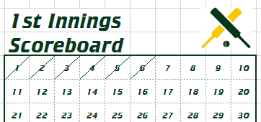

 |  | Play continues and you keep marking off the value of the colour of the cars on your scoreboard.

 |  | A batting team player is bowled out (a wicket) whenever a White car is counted. When a White
 |  | Car is counted a Wicket is marked on the Wicket Scoreboard.
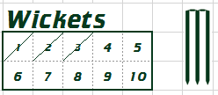

 |  | A teams Innings is over as soon as all ten (10) Wickets have been marked off.

 |  | The 1st Innings Scoreboard Total is copied to the area at the bottom of the sheet.

 |  | Play is then swapped to the opponent team and they try and score as many runs as they can
 |  | before the first team can bowl them out (mark off 10 wickets).

 |  | Each team has 2 innings to score as many runs as they can. Total both the 1st Innings and the
 |  | 2nd Innings Scoreboard Totals for your Overall Runs Total.

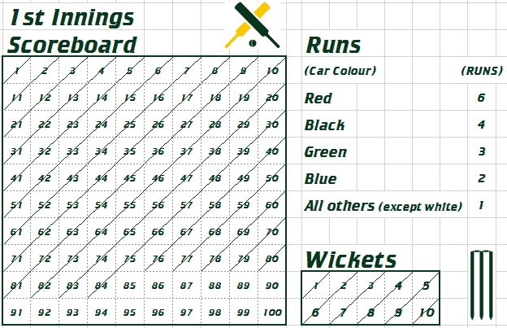

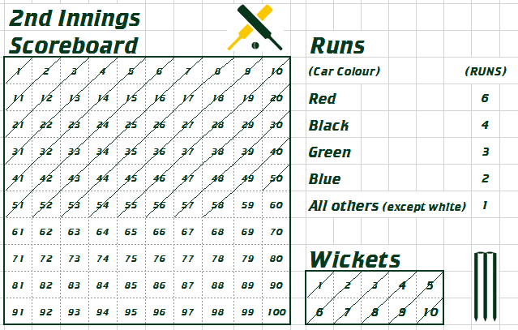

 | Victory: | The team with the highest Overall Runs Total after two (2) innings is the winner.

