Instructions
Battleship Template created by:
ExcelSuperSite

BattleShip

 | Battleship is a game for two players where you try to guess the location of five ships your opponent
 | has hidden on a grid. Players take turns calling out a row and column, attempting to find a square
 | containing enemy ships.

How to play:

 | Players: | 2 players

 | Goal: | To sink all of your opponent's ships by correctly guessing their location.

 | Setup: | Each player has a pencil and paper and a playing board made up of 2 grids.
 |  | Secretly place your ships on the top grid marked as "MY FLEET".

 |  | Each ship must be placed horizontally or vertically (not diagonally) across grid and can not
 |  | hang over the grid. Ships can touch each other, but can't both be on the same space.
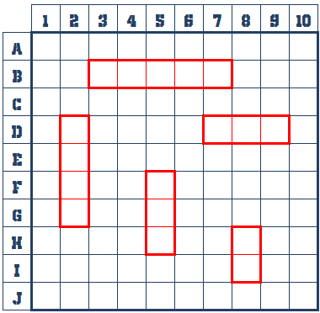
 |  | Each players fleet will consist of:
 |  |  | 1 x Aircraft Carrier (5 spaces)
 |  |  | 1 x Battleship (4 spaces)
 |  |  | 1 x Destroyer (3 spaces)
 |  |  | 1 Submarine (3 spaces)
 |  |  | 1 Cruiser (2 spaces)

 | Play: | Players take turns firing one (1) shot to attack enemy ships. On your turn, call out a letter and
 |  | a number of a row and column on the grid. Your opponent checks that space on their top grid,
 |  | and says "miss" if there are no ships at that location, or "hit" if you guessed a space that
 |  | contained a ship. Mark your shots on your lower grid ("ENEMY FLEET" grid) to keep track of
 |  | your guesses. Use a slash ("/") to mark misses and a cross ("X") to mark hits.

 |  | When one of your ships is hit by your opponent, put a cross ("X") on that ship in your top grid
 |  | at the location of the hit. Whenever one of your ships has every space filled with hits,
 |  | you must announce to your opponent that they has sunk your ship.
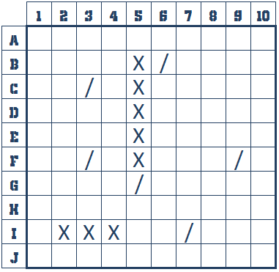

 | Victory: | The first player to sink all of your opponents ships wins.

 | Salvo: | To speed up the game, you can try playing a Salvo variant where you get yo fire multiple shots
 | (variant) | per turn. On your turn, you get to take one shot per ship you have remaining in your fleet
 |  | (ships that have not been sunk). Once you have announced all of your shots (five, at the very
 |  | beginning of the game), your opponent tells you which ones were hits. Whenever one of your
 |  | ships have been sunk, cross out a "SALVO" bomb to keep track of how many shots you have
 |  | remaining for your next turn.

