SolarPanelPowerReqs
Social Media:
©2017 ExcelSuperSite. All rights reserved
 | Camping Solar Panel Power Requirements

Disclaimer: This template is for educational purposes only. Use this template at your own risk. ExcelSuperSite do not guarantee the results from using this template. While all care is made to eliminate errors, ExcelSuperSite does not guarantee that this template is completely error free.
End User Licence Agreement - Click here
Solar Panels
 | Size (W) | Amps per hour | Charging Hours per day | Amp hours per day
Peak Output | 160 | 8.75 | 8 | 70.0
Average Output (85%) | 85% | 7.4 |  | 59.5
Let us know what you think
ESST00010_CampingSolarPanelPowerRequirements.xlsm v1.0
Your 160W solar panel can supply a peak output of 8.75 Amps per hour on a sunny day or an average of 7.44Amps per hour for most of the sunlight hours of the day.

Click here for INSTRUCTIONS
If we assume that your solar panels are only charging during the sunlight hours (approx 1/3 of 24 hours) then it is safe to assume that your panels can continuously supply around 7.44Amps per hour for this entire period.

Given that there are 24 hours in a day, your 160W panel can effectively run a load of around 2.48Amps continuously per hour throughout the day/night running at no loss.

Battery
Battery size | 120 | Amp hours

Power Usage
Item | Draw (Amps per hour) | Hours Running | Daily Draw (Ah)
Fridge | 3.5 | 24 | 84
lights | 0.75 | 4 | 3
lights | 0.75 | 4 | 3

 |  | Total | 90 | Amp hours per day

Your average power requirement is 90.00Amp hours per day.

Your panels can supply approx 59.5Amp hours per day.

Your shortfall per day is 30.5Amp hours. Your battery will discharge by this amount each day.

Therefore you could run all your items for around 3.9 days with no other form of charge.

Instructions
Instructions

Camping Solar Panel Power Requirements.

Return to SPREADSHEET

Add your solar panel data

1
Enter the Size of your solar panel(s) and its Peak Output (Amps per hour) - consult your specifications if you do not know this information.
Enter a percentage amount (Average Output) that you expect to get from your solar panel on an average day. We recommend leaving this around the 85% mark.
(If you are in a very sunny location, this can be increased and vice versa, if you are in an area that does not receive full-sun, you can reduce this figure)
Enter the number of Charging Hours per day.

Add the size of your battery(s)

Enter the size of your battery(s).
2

Add your power usage

3
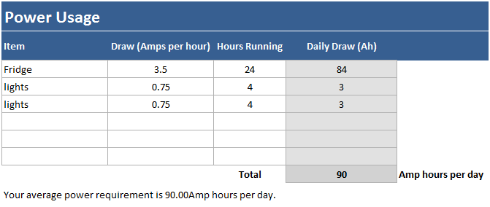
Enter ALL items connected to your system that will draw power and how long (hours) each day you will have them running.

Estimated running time

The spreadsheet will automatically total ALL your estimated Power Usage and compare it against your solar panel power generation and give you an estimate on how long your system should be able to run with no other forms of charge applied.
4

